SUMMARY
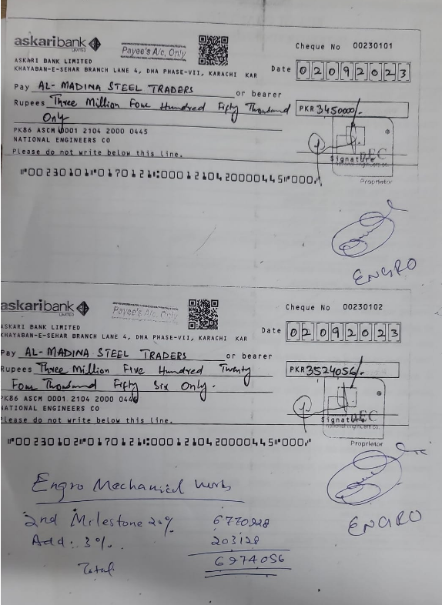
FIRST RUNNING BILL OF ENGRO OFFICE, THIRD FLOOR, THF, KHI
SUMMARY OF AMOUNT

S.NO | DESCRIPTION | AMOUNT
1 | HVAC | 9,596,139
2 | FIRE FIGHTING | 4,229,960
3 | PLUMBING | 650,320
4 | BMS | 21,750
5 | Variation amount (02 Nos) | 931,802
 | GRAND TOTAL AMOUNT | 15,429,970

